Instructions
Always before starting a journey download the latest assessment tool from this URL
https://maturitymodel.security.aws.dev/en/assessment-tools

1.- | Complete the information on the Data Tab | 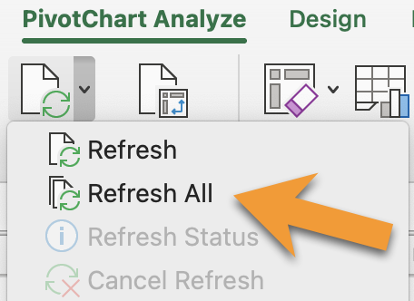 To populate the graphs use the following steps: 1- Select any graph 2.- Menu Bar --> PivotChart Analyze --> Refresh All
2.- | View Scoring and Overview on the Results Tab
3.- | On Charts Tab, update the charts by refreshing all
4.- | Analyze charts - Present Results
5.- | [Continuous task] As you implement improvements update the Data Tab

Charts
Row Labels | Score
Phase 1: Quick Wins | 0%
Security governance | 0%
Security assurance | 0%
Threat detection | 0%
Infrastructure protection | 0%
Data protection | 0%
Application security | 0%
Incident response | 0%
Identity & access management | 0%
Phase 2: Foundational | 0%
Security governance | 0%
Security assurance | 0%
Threat detection | 0%
Vulnerability management | 0%
Infrastructure protection | 0%
Data protection | 0%
Application security | 0%
Incident response | 0%
Identity & access management | 0%
Phase 3: Efficient | 0%
Security governance | 0%
Security assurance | 0%
Threat detection | 0%
Vulnerability management | 0%
Infrastructure protection | 0% | To populate the graphs use the following steps: 1- Select any graph 2.- Menu Bar --> PivotChart Analyze --> Refresh All
Data protection | 0%
Application security | 0%
Incident response | 0%
Identity & access management | 0%
Phase 4: Optimized | 0%
Security governance | 0%
Threat detection | 0%
Infrastructure protection | 0%
Application security | 0%
Incident response | 0%
Identity & access management | 0%
Grand Total | 0%

Row Labels | Score
Security governance | 0%
Security assurance | 0%
Threat detection | 0%
Vulnerability management | 0%
Infrastructure protection | 0%
Data protection | 0%
Application security | 0%
Incident response | 0%
Identity & access management | 0%
Grand Total | 0%

Row Labels | Score
Phase 1: Quick Wins | 0%
Phase 2: Foundational | 0%
Phase 3: Efficient | 0%
Phase 4: Optimized | 0%
Grand Total | 0%

